Write Up and Decision Tree
3-a. Based on the Maximax criterion, ABC should expand.
3-b. Based on the Maximin criterion, ABC should expand.
3-c. Based on the Laplace criterion, ABC should expand.
3-d. Based on the criterion of realism, with alpha = 0.7, ABC should expand.
3-e. Based on the Minimax Regret criterion, ABC should expand.
3-f. Based on the expected monetary value (EMV) criterion, ABC should expand.
3-g. The expected value under perfect information (EVPI) is 160.
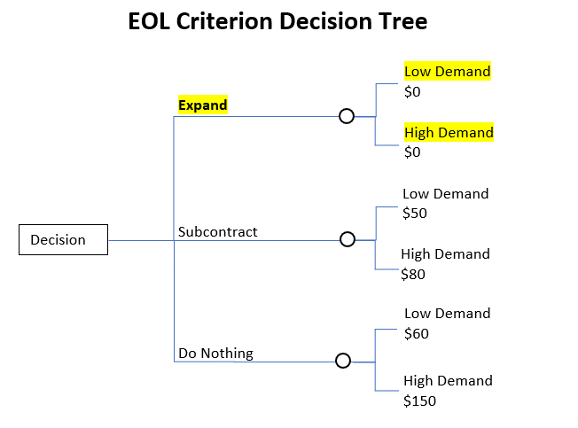

3-h. Based on the expected opportunity loss (EOL) criterion, ABC should expand.

